HW 2
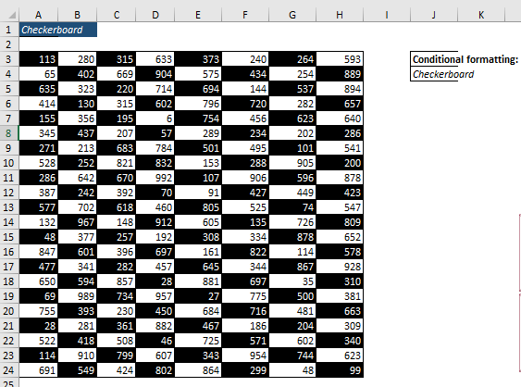

HW 3
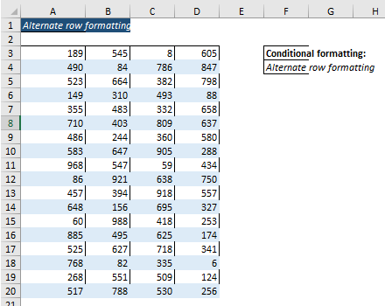

HW 5
Number Formating
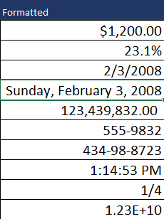
Unformatted | Formatted | Type
1200 |  | Currency
0.231 |  | Percentage
2008-02-03 |  | Short Date
2008-02-03 |  | Long Date
123439832 |  | Accounting
5559832 |  | Phone Number
434988723 |  | Social Security Number
0.552 |  | Time
0.25 |  | Fraction
12332354090 |  | Scientific

HW 7
Convert the Seconds in Hour and Minutes Formats
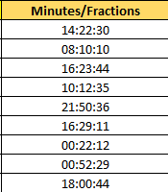
Seconds | Minutes/Fractions
224550
202210
231824
123155
165036
145751
174132
175949
151244

